Master sheet
XYZ is a non-reident Indian, presently residing in Malaysia. He is 41 years of age. He wishes to get a complete financial planning done for himself and his family. Presently, he is invested in multiple instruments including mutual funds. His risk appetite is moderate. He is a patient investor who wishes to grow his corpus at a steady rate. His financial goals include: 1. Daughter's Education 2. Retirement planning 3. Wealth creation over the longer term 4. Build an independent villa in India 5. Daughter's wedding He is almost debt free at the moment. He has a house back in India, which is in his name. There is no housing loan outstanding on the house. He works with a reputed MNC, and there is good visibility on having a stable career in his field of operation.

Asset allocation

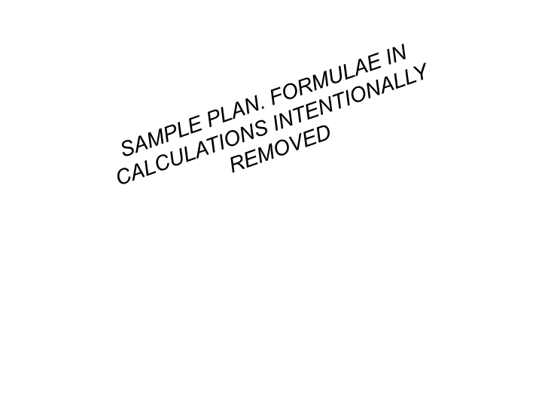

Assets: |  |  |  |  | Real estate | ₹4,500,000
Real estate | ₹4,500,000 |  |  |  | Gold | ₹772,000
Gold | ₹0 |  |  |  | REIT / INVITs | ₹2,316,000
Savings | ₹2,325,000 |  |  |  | Direct Equity trading | ₹772,000
Equity ESOPs |  |  |  |  | Mutual Funds - Equity | ₹1,930,000
Mutual Funds - Equity | ₹1,600,000 |  |  |  | Mutual fund - bonds | ₹1,930,000
Direct Equity (TCS) | ₹70,000 |  |  |  | Total Assets | ₹12,220,000
Fixed Deposit | ₹3,725,000
Total Assets | ₹12,220,000

Liabilities:

Own equity | ₹12,760,000
Total Liabilities | ₹12,760,000

Observations: |  |  | Risk classification
1. Allocation to real estate is not aggressive. A big advantage! 2. Presently there is no allocation to gold. Some allocation needs to be there 3. A big chunk of networth is three in liquid savings and fixed investments like fixed deposits 4. Exposure to equity is lower than the target 5. There is no exposure to an asset class - 'debt' |  |  | Risk taking ability: Moderate to High | Risk taking willingness: Low to Moderate
Duration of investment (Low to High)
Goal priority (High to low)
Risk capacity : Low Instruments: Fixed deposits
Risk capacity : Moderate Instruments: Bluechip equity (70%) Bonds (30%)
Risk capacity : Moderate Instruments: Small & midcap equity (100%)
Risk capacity : High Instruments: Small & midcap equity (70%) Large cap (30%)
Why is the risk taking ability classified as 'moderate to high'? --> XYZ has planned his finances well till date. He hasn't gotten into any asset class aggressively. Neither has he taken excessive debts for a fanciful purchase like a big car or multiple houses etc. This puts him in an advantageous position today. The liquid investments and savings can be systematically deployed and wealth creation should be the eventual objective.

Why is the risk taking willingness classified as 'low to moderate'? --> From the current asset allocation, it appears that XYZ likes to keep his investments safe without taking too much risks. This is an important trait and first step to create wealth.

Instrument | Suitability | Risk | Goal | Instrument | Goal duration
Fixed income - corporate bonds | Moderate term | Moderate | Daughter education | Equity Bluechip, Bonds, US Equity | 9 years
Fixed income - Government bonds | Long term | Low | Retirement Planning | Equity Bluechips, Bonds | 17 years
Hybrid funds | Stable regular income | Moderate | Wealth creation | Equity Bluechips, Equity Small & midcap | 25 years
Equity - Large cap | Long term stable capital appreciation | Moderate | Build villa | Buy a piece of land, REITs, Equity small & midcap | 17 years
Equity - small & midcap | Goals with low priority | High | Daughter's wedding | Gold, Equity Bluechips, | 20 years
Invits & REITs | Stable income with moderate capital appreciation | Low to moderate

Cashflows
 | Assumptions |  |  | Facts
 | Yearly salary increment | 2.0% |  | Housing EMI for India house | ₹0 | Groceries per month in Ringgits | ₹ringi2,000.00 | Buffer income on account of housing rent in India per month | ₹13,000
 | Promotion increment | 5% |  | Child education per month in Ringgits | ₹ringi3,800.00 | Transport per month in Ringgits | ₹ringi1,000.00
 | Education inflation | 10% |  | Utility expenses per month in Ringgits | ₹ringi500.00 | Misc expenses per month in Ringgits | ₹ringi2,000.00
 | One-off education expense |  |  | Insurance premiums in India (Endowment plan) | ₹0 | Insurance premiums in India (Health Insurance + Term insurance) | ₹75,000
 | Average inflation in Malaysia | 3% |  | House rent in Malaysia per month | ₹ringi2,650.00 | House rent next year | ₹ringi4,000.00
 | Lifestyle inflation | 3% |  | Misc expense in India per month | ₹2,000 | Property tax in India | ₹10,000
 | Exchange rate used for converting India expenses into Ringgits | 17

SAMPLE PLAN. FORMULAE IN CALCULATIONS INTENTIONALLY REMOVED
 | Yearly cash flows (Ringgits) | 2021 | 2022 | 2023 | 2024 | 2025 | 2026
A. | Salary | 244,400 | 249,288 | 254,274 | 266,987 | 272,327 | 277,774
B. | Bonus | 23,400 | 23,868 | 24,345 | 24,832 | 25,329 | 25,835
C. | Total yearly income | 267,800 | 273,156 | 278,619 | 291,820 | 297,656 | 303,609
D. | Household expenses (Utility + Groceries + transport + Misc) | 66,000 | 69,960 | 74,158 | 78,607 | 83,323 | 88,323
E. | House rent in Malaysia | 31,800 | 49,440 | 50,923 | 52,451 | 54,024 | 55,645
F. | Housing EMIs (India house) | 0 | 0 | 0 | 0 | 0 | 0
G. | Daughter education expenses | 45,600 | 49,932 | 54,676 | 59,870 | 65,557 | 71,785
H. | Insurance premiums | 4,412 | 4,544 | 4,680 | 4,821 | 4,965 | 5,114
I. | Misc expense in India | 1,412 | 1,454 | 1,498 | 1,543 | 1,589 | 1,637
J. | Property tax India | 588 | 606 | 624 | 643 | 662 | 682
K. | Gross Surplus expected (C-D-E-F-G-H-I-J) | 117,988 | 97,220 | 92,061 | 93,886 | 87,534 | 80,423
L. | Income from investments | 0 | 0 | 0 | 0 | 0 | 0
M. | Net Surplus expected (K+L) | 117,988 | 97,220 | 92,061 | 93,886 | 87,534 | 80,423
N. | Unexpected expenses/ Contingencies | 10,000 | 10,000 | 10,000 | 10,000 | 10,000 | 10,000
O. | Net Surplus expected after contingencies (M-N) | 107,988 | 87,220 | 82,061 | 83,886 | 77,534 | 70,423
P. | Cash left after meeting all goals | 23,157 | 2,389 | -2,770 | -945 | -7,296 | -14,408

